1. Title Page
Grocery Basket Analysis

Project Name: Grocery Basket Analysis
Date: June 2023
Analyst Name: Priyanka Mittal

Contents:
Population Flow
Consistency checks
Wrangling steps
Column derivations
Visualizations
Recommendations

2. Population Flow
Title page

Population flow

Exclusion flag
Condition: max_order < 5
Obervations to be removed: 1,441,548
Final total count of order_products_all: 30,992,664

Orders_products_combined
Orders_products_merged
Orders_products_all

Total: 32,434,489
Total: 32,434,212
Total: 32,434,212

1.) The grey boxes in the first row of the population flow represent the original data sets as they were when you downloaded them. In the Total fields you need to add the count of the rows when you imported the data set into Jupyter.
2.) The second row of boxes (coloured) represents the data sets after you manipulated them, e.g., removed missing values and duplicates. In the Total fields you need to add the count of the rows after conducting these operations. This offers a visual oveview of how the data flows throughout the data consistency checks.
3.) The third row, where also the arrows are coloured, represents the merges you performed between the datasets. In the Total fields you need to add the count of the rows in the merged datasets, so that you end up with the final dataset (in the red box). Keep in mind the final dataset should be without exclusions (based on the exclusion flag).

3. Consistency checks
 |  |  |  | Title page
Consistency checks

Dataset | Missing values | Missing values treatment | Duplicates
orders | 206,209 missing values in days_since_last_order column | No treatment done | No duplicates found
products | 16 product names | new clean dataframe created (column dropped) | 5 duplicates removed
orders_products_prior | No missing values found | N/A | No duplicates found
customers | No missing values found | N/A | No duplicates found

4. Wrangling steps
 |  |  |  | Title page
Wrangling steps

Columns dropped | Columns renamed | Columns' type changed | Comment/Reason
Eval_set |  |  | Not a required column
first_name |  |  | Removed for PII Security
last_name |  |  | Removed for PII Security
Unnamed: 01 |  |  | Not a required column
Unnamed: 0_x |  |  | Not a required column
 | order_dow |  | Renamed to orders_day_of_week
 | days_since_prior_order |  | Renamed to days_since_last_order
 |  | first_name | mixed data type; changed all to string
 |  | order_id | change from integer to string (identifer, not a calculation field)
 |  | user_id | change from integer to string (identifer, not a calculation field)

5. Column derivations
 |  |  |  |  |  | Title page

Column derivations and aggregations

In this tab you should add tables below that the frequences of flags/label variables that you produced after deriving them. NB: don't do this for continuous variables, only for flags.
Dataset | New column | Column/s it was derived from | Conditions | Frequency
df_ords_prods_merged | busiest_days | orders_day_of_week | If day 1 or 0: "Busiest days" | 118,754,662
 |  |  | If day 4 or 3: "Least busy days" | 7,631,289
 |  |  | Else: "Regularly busy" | 12,927,461

df_ords_prods_merged | busiest_day | orders_day_of_week | If day 0: "Busiest day" | 6,209,632
 |  |  | If day 4: "Least Busy" | 3,787,193
 |  |  | Else: "Regularly Busy" | 22,437,387

df_ords_prods_merged | busiest_period_of_day | order_hour_of_day | 9 am - 4pm: "Most orders" | 21,137,262
 |  |  | 11 pm - 6 am: "Fewest orders" | 10,006,752
 |  |  | Else: "Average orders" | 1,290,198

ords_prods_merge | max_order | order_number | tranform function - display the maximum amount of orders a customer has made

ords_prods_merge | loyalty_flag | max_order | max order > 40: "Loyal Customer" | 10,293,737 | 0.31737280992
 |  |  | max order >10, <=40: "Regular Customer" | 15,891,077 | 0.48994799072
 |  |  | max order <=10: "New Customer" | 6,249,398 | 0.19267919936

ords_prods_merge | average_price | prices | display average price of items purchased

ords_prods_merge | spending_flag | average_price | average price>=10: "High Spender" | 120,701
 |  |  | average price <10: "Low spender" | 32,313,511

ords_prods_merge | median_prior_orders | days_since_last_order | display the median number of days between orders

ords_prods_merge | frequency_flag | median_prior_orders | median prior orders > 20: "Non-Frequent Customer" | 3,639,669
 |  |  | median prior orders >10, <= 20: "Regular Customer" | 7,217,134
 |  |  | median prior orders <= 10: "Frequent Customer" | 21,577,409

merged_df | Region | state | Northeast | 5,728,347
 |  |  | Midwest | 7,603,810
 |  |  | South | 10,771,610
 |  |  | West | 8,300,445

merged_df | order_activity | max_order | max order < 5: "Low Activity Customer" | 1,441,548
 |  |  | max order >= 5: "High Activity Customer" | 30,992,664

merged_df_subset | age_flag | age | age>=65: "Senior" | 8,202,746
 |  |  | age <65, >=40: "Middle-age" | 12,115,268
 |  |  | age<40: "Young adult" | 10,674,650

merged_df_subset | income_flag | income | income<52,200: "Low Income" | 3,695,708
 |  |  | income >=52,200, <156,000: "Middle Income" | 24,452,880
 |  |  | income > 156,000: "High Income" | 2,844,076

merged_df_subset | family_flag | n_dependants | n_dependants <1: "No Children" | 7,747,032
 |  |  | n_dependants >=1: "Has Children" | 23,245,632

6. Visualizations
 |  |  |  |  |  |  |  |  | Title page

Visualisations

In this tab you should include all the visualtions from Exercises 4.9 and 4.10, alongside the questions from the project brief that they answer. Include any commentary on the relationship between different variables.

 | Question 1
 | The sales team needs to know what the busiest days of the week and hours of the day are (ie the days and times with the most orders) in order to schedule ads at time when there are fewer orders.

 | Orders by Day of Week Bar Chart
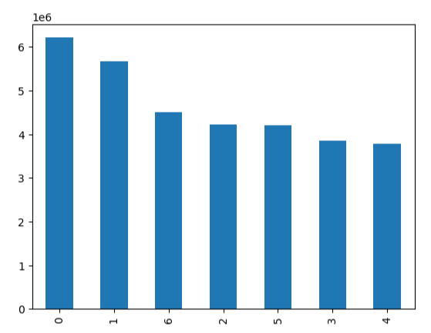

This bar chart shows the relationship between the day of week and the number of orders that occur. The week starts at Saturday, being "Day 0". Saturday and Sunday are the busiest days for orders at Instacart.

 |  |  | order_day_of_week

 | Order by Hour of the Day Histogram


This histogram shows the frequency of orders for each hour of the day. The largest amount of orders happen during 9:00 AM - 5:00 PM.

 |  |  | order_hour_of_day

 | Question 2
 | The sales team wants to know whether there are particular times of the day when people spend the most money, as this might inform the type of products they advertise at these times

 |  |  | order day of week vs prices line chart
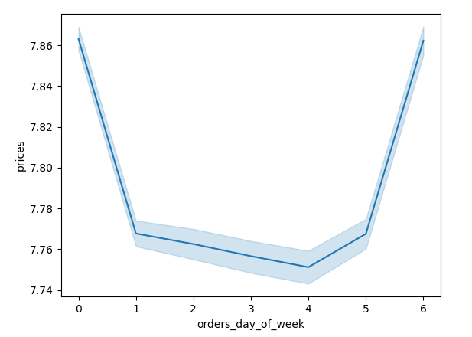
This line chart shows the relationship between the day of week and the amount spent by customers. The greatest amounts are spent on Saturdays and Fridays.

 |  |  | order hour of day vs prices line chart
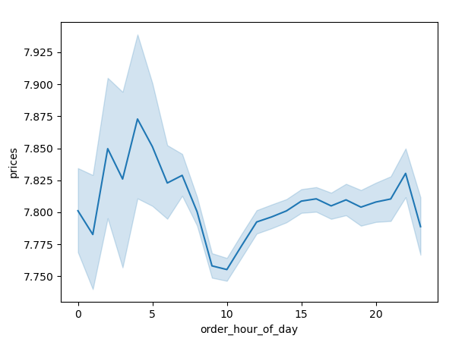

This line chart shows the relationship between the hour of day and the amount spent by customers. It appears that prices peak during the early morning of the day, and stabilize around noon.

 | Question 3
 | Instacart has a lot of products with different price tags. Marketing and sales want to use simpler price range groupings to help direct their efforts.

 |  | Range of products based on price column
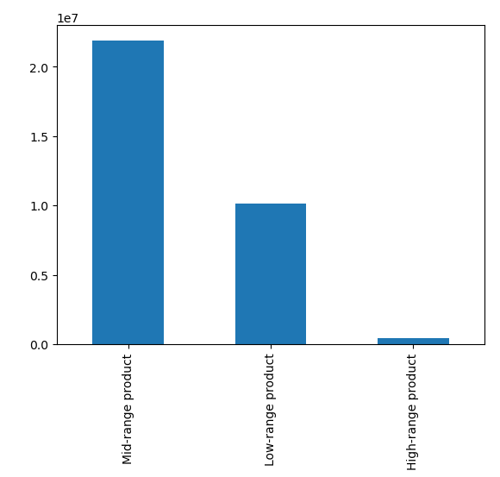

This bar chart shows the number of products that fall into each category range - prices greater than $15 fall into the high-range products, prices between $15 and $5 fall into mid-range, and prices equal to or less than $5 fall into low-range. The majority of Instacarts products fall into the mid-range product category.

 | Question 4
 | Are there certain types of products that are more popular than others? The marketing and sales teams want to know which departments have the highest frequency of product orders.
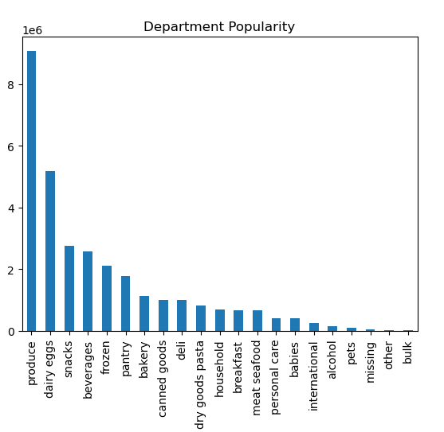

This bar chart shows the popularity of different departments based on number of orders. Produce and dairy/eggs are the most popular by far.

 | Question 5
 | The marketing and sales teams are particularly interested in the different types of customers in their system and how their ordering behaviors differ.
 | What's the distribution among users in regards to their brand loyalty (ie how often do they return to Instacart?)
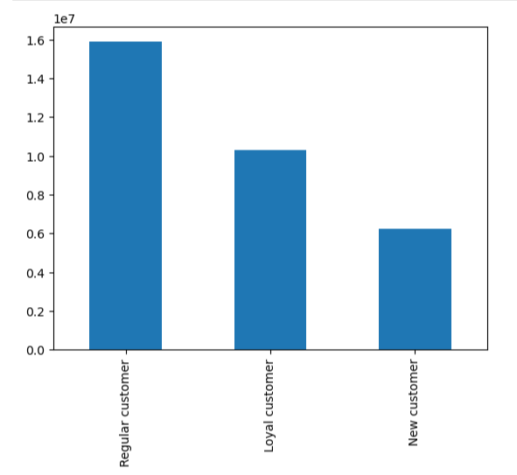

This bar chart shows the number of customers that fall into each category of customer. A loyal customer is one that has ordered more than 40 times, a regular customer is one that has ordered between 10-40 times, and a new customer is one that has ordered less than 10 times.

 | Are there differences in ordering habits based on a customer's loyalty status?

Loyal customers tend to have fewer days between orders, but actually spend slightly less on products. New customers (those that have ordered less than 10 times) have 2 weeks in between their orders but generally spend the most (though slightly) and regular customers generally order every 11.5 days.
 | days_since_last_order |  |  | prices
 |  | min | max | mean | sum | min | max | mean
 | loyalty_flag
 | Loyal customer | 0 | 30 | 5.916332 | 8.01E+07 | 1 | 25 | 7.778412
 | New customer | 0 | 30 | 14.832041 | 4.88E+07 | 1 | 25 | 7.8055
 | Regular customer | 0 | 30 | 11.546533 | 1.24E+08 | 1 | 25 | 7.80285

 | Are there differences in ordering habits based on a customer's region?

 | days_since_last_order |  |  | prices
 |  | min | max | mean | sum | min | max | mean
 | Region
 | Midwest | 0 | 30 | 10.303201 | 56663715.88 | 1 | 25 | 7.796643
Each region is fairly consistent in the number of days between orders, and the amount they will spend on products. Overall, the South makes up the largest number of orders, and are willing to (marginally) spend the most. Most popular products (produce, dairy/eggs, and snacks) are consistent in all regions.
 | Northeast | 0 | 30 | 10.199079 | 42592598.56 | 1 | 25 | 7.786484
 | South | 0 | 30 | 10.233011 | 80489397.5 | 1 | 25 | 7.799011
 | West | 0 | 30 | 10.181812 | 61848730.4 | 1 | 25 | 7.794984
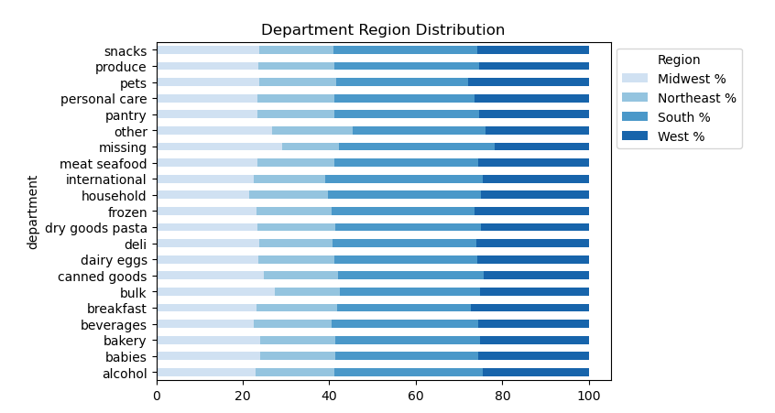

 | Is there a connection between age and family status in terms of ordering habits?
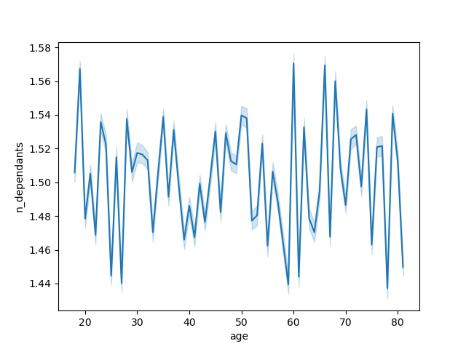

There is no clear connection between age and family status - as this line graph shows, there is a lot of variability between ages and number of dependents



There is a bit more of a relationship between age and income instead as shown in this scatterplot. While there is still a lot of variability, it is more common for those age 40+ to make over $400,000

 | What different classifications does the demographic information suggest? Age? Income? Certain types of goods? Family status?
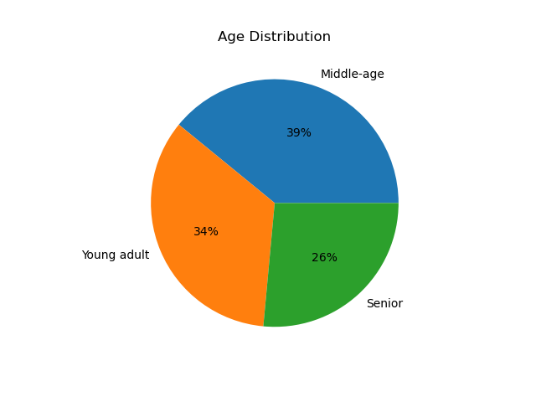
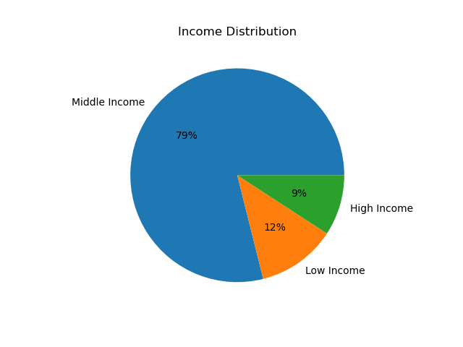
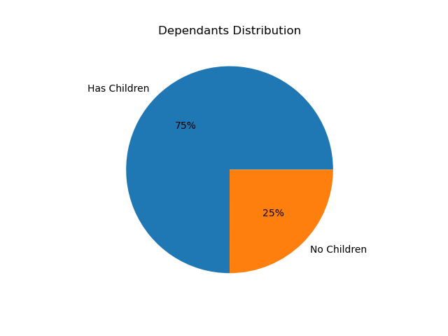

The vast majority of users fall into the "Middle Income" category; however - it is important to note that the range used for this category was quite wide as well (income falls between $52,200 and $156,000 based on the Pew Research Center categorizations)
39% of Instacart users are middle age (between 40 and 65), while 34% are young adults (aged 18-39) and 26% are senior (65+).
75% of Instacart users have more than 1 dependant. For the purpose of this analysis, we've assumed "dependants" mean children, however this may not always be the case.

Looking at these variables, it seems a primary user group of Instacart is Middle-Age, Middle-Income families.

 | What differences can you find in ordering habits of different customer profiles? Consider the price of orders, frequency of orders, the products customers are ordering, etc.
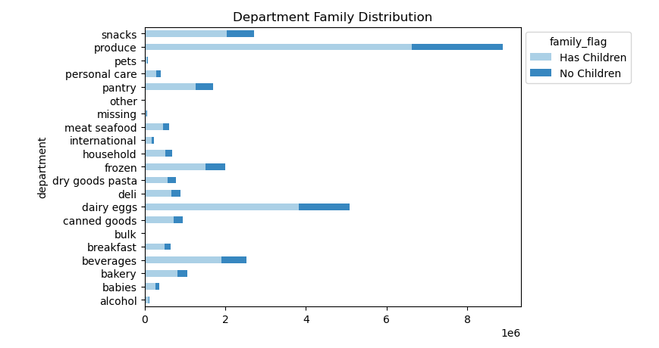
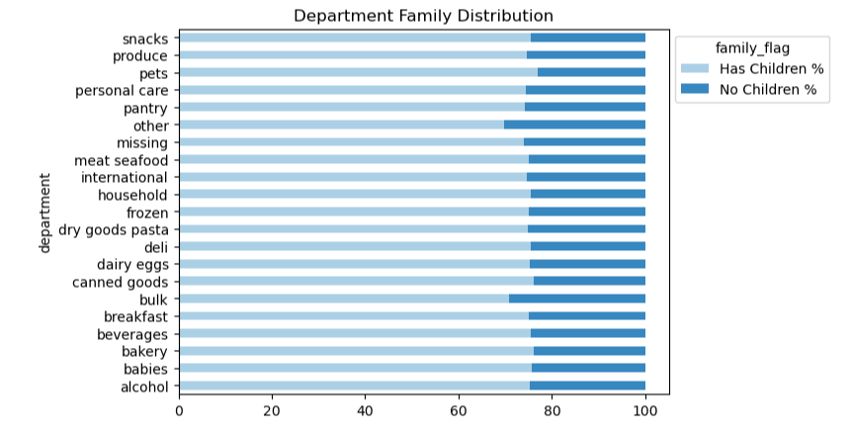

The above stacked bar charts show the preferences of Instacart users that have children versus those that don't have children. Interestingly, preferences largely stay the same regardless of number of depedenants.

Whether or not a user has children does not appear to have a significant affect on how often they order or the amount that is spent.
 | days_since_last_order |  |  | prices
 |  | min | max | mean | sum | min | max | mean
 | family_flag
 | Has Children | 0 | 30 | 10.236041 | 1.81E+08 | 1 | 25 | 7.7955
 | No Children | 0 | 30 | 10.213371 | 6.04E+07 | 1 | 25 | 7.794355

While differences are marginal, seniors actually have the fewest days between orders and spend the most.
days_since_last_order |  |  |  |  | prices
 |  | min | max | mean | sum | min | max | mean
 | age_flag
 | Middle-age | 0 | 30 | 10.240611 | 94453626.86 | 1 | 25 | 7.796247
 | Senior | 0 | 30 | 10.211444 | 63991946.12 | 1 | 25 | 7.801283
 | Young adult | 0 | 30 | 10.233302 | 83148869.36 | 1 | 25 | 7.789377

High income users place orders more frequently, but there is not a large difference between what they spend on products versus middle income users.
 | days_since_last_order |  |  | prices
 |  | min | max | mean | sum | min | max | mean
 | income_flag
 | High Income | 0 | 30 | 10.108985 | 2.26E+07 | 1 | 25 | 7.941433
 | Low Income | 0 | 30 | 10.511028 | 2.50E+07 | 1 | 25 | 6.77215
 | Middle Income | 0 | 30 | 10.202076 | 1.94E+08 | 1 | 25 | 7.932829

 | days_since_last_order |  |  |  | prices
 |  | min | max | mean | sum | min | max | mean
 | department
Orders for alcohol, babies, and bulk goods are ordered most frequently, and users pay the most for meat/seafood, dairy and eggs, and bulk goods.
 | alcohol | 0 | 30 | 9.332472 | 1179302.3 | 1 | 15 | 8.151446
 | babies | 0 | 30 | 9.335526 | 3133096.4 | 1 | 15 | 7.634399
 | bakery | 0 | 30 | 10.225862 | 8852224.6 | 1 | 15 | 7.868462
 | beverages | 0 | 30 | 10.206104 | 19759202.3 | 1 | 15 | 7.682624
 | breakfast | 0 | 30 | 10.389484 | 5470900.4 | 1 | 14.9 | 8.068044
 | bulk | 0 | 30 | 9.451048 | 279212.8 | 1.4 | 14.1 | 8.346919
 | canned goods | 0 | 30 | 10.672517 | 7637778.5 | 1 | 15 | 7.54666
 | dairy eggs | 0 | 30 | 10.155419 | 43363061.94 | 1 | 15 | 8.352176
 | deli | 0 | 30 | 10.431782 | 7813188.1 | 1 | 15 | 7.783347
 | dry goods pasta | 0 | 30 | 10.770432 | 6042181.4 | 1 | 15 | 7.34937
 | frozen | 0 | 30 | 10.740142 | 16431750.7 | 1 | 15 | 7.738627
 | household | 0 | 30 | 10.968798 | 5164912 | 1 | 15 | 7.379943
 | international | 0 | 30 | 10.316078 | 1965702.9 | 1 | 15 | 7.678797
 | meat seafood | 0 | 30 | 10.505405 | 10999037 | 8 | 25 | 16.300062
 | missing | 0 | 30 | 9.659415 | 560933.3 | 1 | 15 | 8.660655
 | other | 0 | 30 | 10.056842 | 239569.2 | 1.1 | 15 | 6.961995
 | pantry | 0 | 30 | 10.220274 | 14289860.7 | 1 | 20 | 8.01494
 | personal care | 0 | 30 | 10.604785 | 3394733.1 | 1 | 15 | 7.998617
 | pets | 0 | 30 | 10.93915 | 734083.7 | 1 | 15 | 7.88786
 | produce | 0 | 30 | 10.026067 | 72455790.7 | 1 | 15 | 7.980349
 | snacks | 0 | 30 | 10.108421 | 11827920.3 | 1.6 | 7 | 4.275555
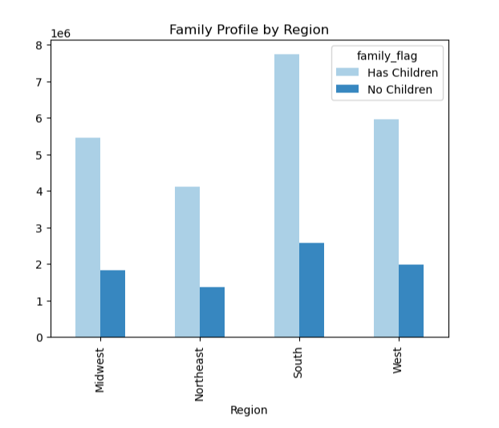
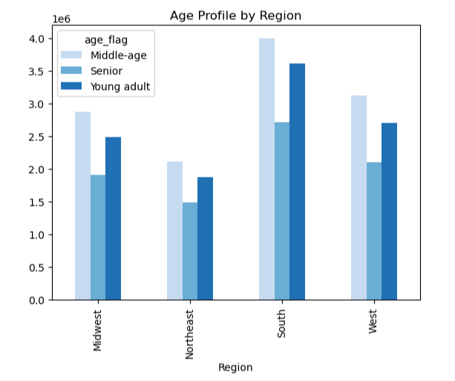
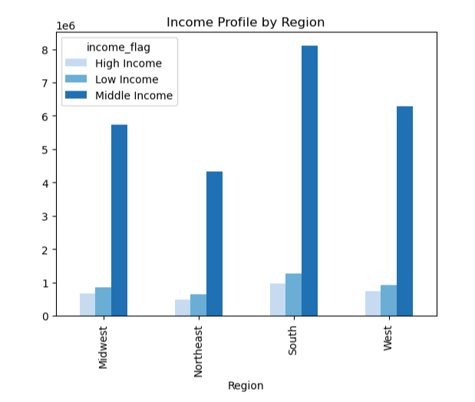

Regionally speaking, the "middle-age, middle income with children" classification remains consistent across all regions.

7. Recommendations
 |  |  |  |  |  |  |  |  |  |  |  |  |  |  | Title page

Recommendations

In this tab you should include any recommendations you would made to Instcart in terms of their marketing strategy based on the questions posed in the brief. Every key question has been covered in the Tasks of the Exercises - here you need to add an item - a visualisation or table/crosstable that is showing the answer in the data, acompanied by a comment from you. Please, list the questions below and add the answer underneath.

Question 1
The sales team needs to know what the busiest days of the week and hours of the day are (ie the days and times with the most orders) in order to schedule ads at time when there are fewer orders.
The largest amount of orders occur on the weekends, particularly on Saturdays as shown by the bar graph below, where days of week start at 0, being Saturday. As for hours of the day, Instacart receives the most orders during "regular work hours" despite being an online app. Peak order hours are from 10:00 AM to 3:00 PM, and very few orders happen during the early morning (midnight - 5:00 AM)
Orders by Day of Week Bar Chart |  |  |  |  |  |  | Order by Hour of the Day Histogram

 |  | order_day_of_week |  |  |  |  |  |  | order_hour_of_day

Recommendation: As per the above graphs, Tuesdays and Wednesdays have the least amount of orders - it is recommended to schedule ads on these two days after 4:00 PM, when orders begin to decline for the day.

Question 2
The sales team wants to know whether there are particular times of the day when people spend the most money, as this might inform the type of products they advertise at these times
Users tend to spend the most on Saturdays and Fridays, and it appears they are willing to spend more in the early morning.

 | order day of week vs prices line chart |  |  |  |  |  |  | order hour of day vs prices line chart

Recommendation: Instacart should consider whether it would be worth running ads in the early mornings - based on the above line chart, from 1 - 6 AM tends to be when prices peak. The prices are not vastly different than average, but it may be worth conducting additional analysis to see if it would be worth running ads early morning on the weekends, perhaps targeting groups that are out late on weekends.

Question 3
Instacart has a lot of products with different price tags. Marketing and sales want to use simpler price range groupings to help direct their efforts.

 | Range of products based on price column
 |  |  |  |  |  |  |  | days_since_last_order |  |  | prices
 |  |  |  |  |  |  |  |  | min | max | mean | sum | min | max | mean
 |  |  |  |  |  |  |  | price_range_flag
 |  |  |  |  |  |  |  | High-range product | 0 | 30 | 10.665957 | 8.50E+06 | 15.1 | 25 | 20.609749
 |  |  |  |  |  |  |  | Low-range product | 0 | 30 | 10.397957 | 3.06E+07 | 1 | 5 | 3.023204
 |  |  |  |  |  |  |  | Mid-range product | 0 | 30 | 10.385133 | 2.14E+08 | 5.1 | 15 | 9.761569

Recommendation: We have grouped Instacarts products into low-range, mid-range, and high-range categories to assist Instacart in their categorization.

Question 4
Are there certain types of products that are more popular than others? The marketing and sales teams want to know which departments have the highest frequency of product orders.
Produce, dairy/eggs, and snacks have the highest amount of orders. However, alcohol, products from the babies department, and bulk products have the fewest number of days between orders, and users spend the most on meat/seafood, dairy/eggs, and bulk items.

 |  |  |  |  |  |  |  | days_since_last_order |  |  |  | prices
 |  |  |  |  |  |  |  |  | min | max | mean | sum | min | max | mean
 |  |  |  |  |  |  |  | department
 |  |  |  |  |  |  |  | alcohol | 0 | 30 | 9.332472 | 1179302.3 | 1 | 15 | 8.151446
 |  |  |  |  |  |  |  | babies | 0 | 30 | 9.335526 | 3133096.4 | 1 | 15 | 7.634399
 |  |  |  |  |  |  |  | bakery | 0 | 30 | 10.225862 | 8852224.6 | 1 | 15 | 7.868462
 |  |  |  |  |  |  |  | beverages | 0 | 30 | 10.206104 | 19759202.3 | 1 | 15 | 7.682624
 |  |  |  |  |  |  |  | breakfast | 0 | 30 | 10.389484 | 5470900.4 | 1 | 14.9 | 8.068044
 |  |  |  |  |  |  |  | bulk | 0 | 30 | 9.451048 | 279212.8 | 1.4 | 14.1 | 8.346919
 |  |  |  |  |  |  |  | canned goods | 0 | 30 | 10.672517 | 7637778.5 | 1 | 15 | 7.54666
 |  |  |  |  |  |  |  | dairy eggs | 0 | 30 | 10.155419 | 43363061.94 | 1 | 15 | 8.352176
 |  |  |  |  |  |  |  | deli | 0 | 30 | 10.431782 | 7813188.1 | 1 | 15 | 7.783347
 |  |  |  |  |  |  |  | dry goods pasta | 0 | 30 | 10.770432 | 6042181.4 | 1 | 15 | 7.34937
 |  |  |  |  |  |  |  | frozen | 0 | 30 | 10.740142 | 16431750.7 | 1 | 15 | 7.738627
 |  |  |  |  |  |  |  | household | 0 | 30 | 10.968798 | 5164912 | 1 | 15 | 7.379943
 |  |  |  |  |  |  |  | international | 0 | 30 | 10.316078 | 1965702.9 | 1 | 15 | 7.678797
 |  |  |  |  |  |  |  | meat seafood | 0 | 30 | 10.505405 | 10999037 | 8 | 25 | 16.300062
 |  |  |  |  |  |  |  | missing | 0 | 30 | 9.659415 | 560933.3 | 1 | 15 | 8.660655
 |  |  |  |  |  |  |  | other | 0 | 30 | 10.056842 | 239569.2 | 1.1 | 15 | 6.961995
 |  |  |  |  |  |  |  | pantry | 0 | 30 | 10.220274 | 14289860.7 | 1 | 20 | 8.01494
 |  |  |  |  |  |  |  | personal care | 0 | 30 | 10.604785 | 3394733.1 | 1 | 15 | 7.998617
 |  |  |  |  |  |  |  | pets | 0 | 30 | 10.93915 | 734083.7 | 1 | 15 | 7.88786
 |  |  |  |  |  |  |  | produce | 0 | 30 | 10.026067 | 72455790.7 | 1 | 15 | 7.980349
 |  |  |  |  |  |  |  | snacks | 0 | 30 | 10.108421 | 11827920.3 | 1.6 | 7 | 4.275555

Recommendation: Instacart could explore a few possibilities with this information - because produce and dairy/eggs are already a part of most people's preferences, it is unlikely that they need to spend a lot of advertising dollars convincing people to purchase these. It may make more sense to increase advertisements of meat and seafood, where prices are higher and orders are not as high to attract more revenue. There is also an interesting possibility in the "bulk" group that could require more analysis - while this department doesn't make it's way into many user's orders, in those that do order it, they tend to order it more frequently and are paying a higher price. It may be worth additional analysis and possible development of the "bulk" department to reach a wider customer base and encourage more frequent orders.

Question 5
The marketing and sales teams are particularly interested in the different types of customers in their system and how their ordering behaviors differ.
What's the distribution among users in regards to their brand loyalty (ie how often do they return to Instacart?)
Are there differences in ordering habits based on a customer's loyalty status?
Loyal customers make up 32% of users, regular customers make up 49%, and new customers make up 19% of users. Loyal customers tend to order much more frequently than other customer categories.

 |  | Customer Loyalty
 |  |  |  |  |  |  |  | days_since_last_order |  |  | prices
 |  |  |  |  |  |  |  |  | min | max | mean | sum | min | max | mean
 |  |  |  |  |  |  |  | loyalty_flag
 |  |  |  |  |  |  |  | Loyal customer | 0 | 30 | 5.916332 | 8.01E+07 | 1 | 25 | 7.778412
 |  |  |  |  |  |  |  | New customer | 0 | 30 | 14.832041 | 4.88E+07 | 1 | 25 | 7.8055
 |  |  |  |  |  |  |  | Regular customer | 0 | 30 | 11.546533 | 1.24E+08 | 1 | 25 | 7.80285

Recommendation: Given that customers who fall into the loyal category tend to make orders far more frequently than others, it may be worth implementing a loyalty program to encourage repeat business.

Are there differences in ordering habits based on a customer's region?
Ordering habits are fairly consistent regionally, however the South region has the highest number of orders.

 |  |  |  |  |  |  |  |  | days_since_last_order |  |  | prices
 |  |  |  |  |  |  |  |  |  | min | max | mean | sum | min | max | mean
 |  |  |  |  |  |  |  |  | Region
 |  |  |  |  |  |  |  |  | Midwest | 0 | 30 | 10.303201 | 56663715.88 | 1 | 25 | 7.796643
 |  |  |  |  |  |  |  |  | Northeast | 0 | 30 | 10.199079 | 42592598.56 | 1 | 25 | 7.786484
 |  |  |  |  |  |  |  |  | South | 0 | 30 | 10.233011 | 80489397.5 | 1 | 25 | 7.799011
 |  |  |  |  |  |  |  |  | West | 0 | 30 | 10.181812 | 61848730.4 | 1 | 25 | 7.794984

Recommendation: Determine whether the popularity of Instacart in the South is due to a controllable factor (outside of just population size, etc) and use this information to apply marketing strategies in other regions.

Is there a connection between age and family status in terms of ordering habits?
Given the variability of the line chart on the left, there does not appear to be a correlation between age and family status. There is slightly more relationship between age and income however, as there appears to be more earning potential in those aged 40 and over.

What different classifications does the demographic information suggest? Age? Income? Certain types of goods? Family status?
Given the below charts, it appears Instacart's primary user group is middle-age, middle income families. This is consistent regionally.

Recommendation: Instacart should target advertisements to appeal to this group of individuals in particular. Additional analysis could be conducted to determine whether this subset of individuals shops at specific times of day or day of week to determine when to run advertisements, and additional research could be conducted on specific preferred products.

What differences can you find in ordering habits of different customer profiles? Consider the price of orders, frequency of orders, the products customers are ordering, etc.

The above stacked bar charts show the preferences of Instacart users that have children versus those that don't have children. Interestingly, preferences largely stay the same regardless of number of depedenants.

Whether or not a user has children does not appear to have a significant affect on how often they order or the amount that is spent.
 | days_since_last_order |  |  | prices
 |  | min | max | mean | sum | min | max | mean
 | family_flag
 | Has Children | 0 | 30 | 10.236041 | 1.81E+08 | 1 | 25 | 7.7955
 | No Children | 0 | 30 | 10.213371 | 6.04E+07 | 1 | 25 | 7.794355

While differences are marginal, seniors actually have the fewest days between orders and spend the most.
days_since_last_order |  |  |  |  | prices
 |  | min | max | mean | sum | min | max | mean
 | age_flag
 | Middle-age | 0 | 30 | 10.240611 | 94453626.86 | 1 | 25 | 7.796247
 | Senior | 0 | 30 | 10.211444 | 63991946.12 | 1 | 25 | 7.801283
 | Young adult | 0 | 30 | 10.233302 | 83148869.36 | 1 | 25 | 7.789377

High income users place orders more frequently, but there is not a large difference between what they spend on products versus middle income users.
 | days_since_last_order |  |  | prices
 |  | min | max | mean | sum | min | max | mean
 | income_flag
 | High Income | 0 | 30 | 10.108985 | 2.26E+07 | 1 | 25 | 7.941433
 | Low Income | 0 | 30 | 10.511028 | 2.50E+07 | 1 | 25 | 6.77215
 | Middle Income | 0 | 30 | 10.202076 | 1.94E+08 | 1 | 25 | 7.932829

Recommendation: The information gathered from this analysis is slightly inconclusive given the similarities across the defined user groups - there does not seem to be any drastic differences between the demographics defined. However, we can say with certainty that middle age, middle income families are the most active on Instacart, and Instacart may decide to further target this group, or look into ways of increasing their popularity among other demographics.

